Shared Hosting
185.2.150.182 - openbanking.leantech.me Solved | 142.132.140.101 - status.leantech.me
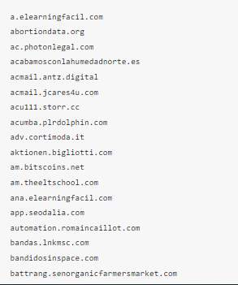 | 